Sheet1
simulationRev2Vax.js:833 Thu Jan 07 2021 23:12:31 GMT-0800 (Pacific Standard Time)
simulationRev2Vax.js:834 CovidSIMVL Mode1 and Mod2 Hybrid 35d
simulationRev2Vax.js:835 Mode 1 >13 and <36 is 75%
simulationRev2Vax.js:836 Mode 2 >28 is 95%; >13 and <29 is 75%
simulationRev2Vax.js:4305 exit covidSim
simulationRev2Vax.js:23 getAsText File
simulationRev2Vax.js:32 File
simulationRev2Vax.js:23 getAsText File
simulationRev2Vax.js:32 File
simulationRev2Vax.js:1644 New Hazard Radius = 12
simulationRev2Vax.js:1622 Red Days changed to 5.3
simulationRev2Vax.js:2140 0I j:famKey 83:-1 infected by blue i:famKey 5:-1 at gen 1 in Univ0 prob=0.404
simulationRev2Vax.js:2140 2I j:famKey 23:-1 infected by blue i:famKey 5:-1 at gen 3 in Univ0 prob=0.535
simulationRev2Vax.js:2140 3I j:famKey 57:-1 infected by blue i:famKey 5:-1 at gen 8 in Univ0 prob=0.452
simulationRev2Vax.js:2140 4I j:famKey 28:-1 infected by blue i:famKey 5:-1 at gen 12 in Univ0 prob=0.734
simulationRev2Vax.js:2157 5I i:famKey 12:-1 infected by blue j:famKey 57:-1 at gen 62 in U0 prob=0.864
simulationRev2Vax.js:2140 5I j:famKey 49:-1 infected by blue i:famKey 23:-1 at gen 62 in Univ0 prob=0.369
simulationRev2Vax.js:2140 5I j:famKey 65:-1 infected by blue i:famKey 23:-1 at gen 62 in Univ0 prob=0.388
simulationRev2Vax.js:2157 8I i:famKey 18:-1 infected by blue j:famKey 28:-1 at gen 66 in U0 prob=0.456
simulationRev2Vax.js:2157 9I i:famKey 0:-1 infected by blue j:famKey 23:-1 at gen 77 in U0 prob=0.952
simulationRev2Vax.js:2157 10I i:famKey 2:-1 infected by blue j:famKey 57:-1 at gen 79 in U0 prob=0.500
simulationRev2Vax.js:2157 11I i:famKey 40:-1 infected by blue j:famKey 57:-1 at gen 81 in U0 prob=0.237
simulationRev2Vax.js:2140 11I j:famKey 99:-1 infected by blue i:famKey 83:-1 at gen 81 in Univ0 prob=0.080
simulationRev2Vax.js:2140 13I j:famKey 52:-1 infected by blue i:famKey 23:-1 at gen 83 in Univ0 prob=0.019
simulationRev2Vax.js:2140 13I j:famKey 96:-1 infected by green i:famKey 52:-1 at gen 83 in Univ0 prob=0.241
simulationRev2Vax.js:2140 13I j:famKey 94:-1 infected by blue i:famKey 83:-1 at gen 83 in Univ0 prob=0.137
simulationRev2Vax.js:2140 13I j:famKey 69:-1 infected by blue i:famKey 23:-1 at gen 84 in Univ0 prob=0.886
simulationRev2Vax.js:2140 17I j:famKey 64:-1 infected by blue i:famKey 28:-1 at gen 86 in Univ0 prob=0.009
simulationRev2Vax.js:2157 17I i:famKey 62:-1 infected by yellow j:famKey 94:-1 at gen 86 in U0 prob=0.146
simulationRev2Vax.js:2157 17I i:famKey 16:-1 infected by yellow j:famKey 69:-1 at gen 87 in U0 prob=0.900
simulationRev2Vax.js:2140 19I j:famKey 81:-1 infected by blue i:famKey 28:-1 at gen 88 in Univ0 prob=0.337
simulationRev2Vax.js:2157 20I i:famKey 68:-1 infected by yellow j:famKey 69:-1 at gen 89 in U0 prob=0.033
simulationRev2Vax.js:2157 22I i:famKey 36:-1 infected by yellow j:famKey 69:-1 at gen 91 in U0 prob=0.511
simulationRev2Vax.js:2157 22I i:famKey 70:-1 infected by blue j:famKey 83:-1 at gen 91 in U0 prob=0.327
simulationRev2Vax.js:2157 22I i:famKey 37:-1 infected by blue j:famKey 83:-1 at gen 92 in U0 prob=0.246
simulationRev2Vax.js:2157 24I i:famKey 24:-1 infected by blue j:famKey 83:-1 at gen 93 in U0 prob=0.764
simulationRev2Vax.js:2140 25I j:famKey 45:-1 infected by blue i:famKey 23:-1 at gen 94 in Univ0 prob=0.489
simulationRev2Vax.js:2157 26I i:famKey 4:-1 infected by blue j:famKey 57:-1 at gen 95 in U0 prob=0.156
simulationRev2Vax.js:2140 27I j:famKey 30:-1 infected by blue i:famKey 28:-1 at gen 96 in Univ0 prob=0.086
simulationRev2Vax.js:2157 29I i:famKey 8:-1 infected by blue j:famKey 23:-1 at gen 98 in U0 prob=0.124
simulationRev2Vax.js:2140 30I j:famKey 42:-1 infected by yellow i:famKey 24:-1 at gen 112 in Univ0 prob=0.696
simulationRev2Vax.js:2140 30I j:famKey 84:-1 infected by blue i:famKey 28:-1 at gen 113 in Univ0 prob=0.404
simulationRev2Vax.js:2140 30I j:famKey 90:-1 infected by blue i:famKey 57:-1 at gen 113 in Univ0 prob=0.215
simulationRev2Vax.js:2140 31I j:famKey 88:-1 infected by blue i:famKey 23:-1 at gen 114 in Univ0 prob=0.862
simulationRev2Vax.js:2157 34I i:famKey 19:-1 infected by blue j:famKey 23:-1 at gen 116 in U0 prob=0.534
simulationRev2Vax.js:2157 34I i:famKey 17:-1 infected by yellow j:famKey 19:-1 at gen 117 in U0 prob=0.337
simulationRev2Vax.js:2157 34I i:famKey 17:-1 infected by blue j:famKey 28:-1 at gen 117 in U0 prob=0.195
simulationRev2Vax.js:2157 34I i:famKey 26:-1 infected by blue j:famKey 57:-1 at gen 117 in U0 prob=0.561
simulationRev2Vax.js:2140 35I j:famKey 51:-1 infected by red i:famKey 23:-1 at gen 118 in Univ0 prob=0.541
simulationRev2Vax.js:2157 38I i:famKey 10:-1 infected by blue j:famKey 49:-1 at gen 120 in U0 prob=0.854
simulationRev2Vax.js:2140 38I j:famKey 79:-1 infected by blue i:famKey 28:-1 at gen 121 in Univ0 prob=0.988
simulationRev2Vax.js:2157 39I i:famKey 11:-1 infected by yellow j:famKey 79:-1 at gen 122 in U0 prob=0.248
simulationRev2Vax.js:2140 39I j:famKey 60:-1 infected by blue i:famKey 12:-1 at gen 122 in Univ0 prob=0.807
simulationRev2Vax.js:2140 42I j:famKey 35:-1 infected by blue i:famKey 18:-1 at gen 124 in Univ0 prob=0.247
simulationRev2Vax.js:2140 42I j:famKey 87:-1 infected by yellow i:famKey 26:-1 at gen 125 in Univ0 prob=0.499
simulationRev2Vax.js:2140 44I j:famKey 72:-1 infected by red i:famKey 28:-1 at gen 134 in Univ0 prob=0.558
simulationRev2Vax.js:2157 44I i:famKey 41:-1 infected by yellow j:famKey 52:-1 at gen 134 in U0 prob=0.040
simulationRev2Vax.js:2140 44I j:famKey 66:-1 infected by blue i:famKey 65:-1 at gen 134 in Univ0 prob=0.751
simulationRev2Vax.js:2157 44I i:famKey 14:-1 infected by blue j:famKey 99:-1 at gen 135 in U0 prob=0.232
simulationRev2Vax.js:2140 48I j:famKey 82:-1 infected by blue i:famKey 52:-1 at gen 137 in Univ0 prob=0.142
simulationRev2Vax.js:2157 49I i:famKey 61:-1 infected by blue j:famKey 64:-1 at gen 139 in U0 prob=0.728
simulationRev2Vax.js:2140 49I j:famKey 89:-1 infected by blue i:famKey 65:-1 at gen 139 in Univ0 prob=0.160
simulationRev2Vax.js:2157 51I i:famKey 59:-1 infected by blue j:famKey 94:-1 at gen 141 in U0 prob=0.929
simulationRev2Vax.js:2140 51I j:famKey 67:-1 infected by blue i:famKey 65:-1 at gen 141 in Univ0 prob=0.762
simulationRev2Vax.js:2140 51I j:famKey 55:-1 infected by blue i:famKey 52:-1 at gen 142 in Univ0 prob=0.371
simulationRev2Vax.js:2157 53I i:famKey 33:-1 infected by blue j:famKey 65:-1 at gen 143 in U0 prob=0.752
simulationRev2Vax.js:2140 53I j:famKey 91:-1 infected by blue i:famKey 70:-1 at gen 143 in Univ0 prob=0.267
simulationRev2Vax.js:2140 54I j:famKey 93:-1 infected by blue i:famKey 12:-1 at gen 144 in Univ0 prob=0.340
simulationRev2Vax.js:2140 56I j:famKey 86:-1 infected by blue i:famKey 62:-1 at gen 145 in Univ0 prob=0.546
simulationRev2Vax.js:2140 57I j:famKey 77:-1 infected by yellow i:famKey 67:-1 at gen 146 in Univ0 prob=0.538
simulationRev2Vax.js:2140 58I j:famKey 92:-1 infected by blue i:famKey 45:-1 at gen 147 in Univ0 prob=0.184
simulationRev2Vax.js:2140 58I j:famKey 78:-1 infected by yellow i:famKey 67:-1 at gen 147 in Univ0 prob=0.215
simulationRev2Vax.js:2140 59I j:famKey 76:-1 infected by blue i:famKey 4:-1 at gen 148 in Univ0 prob=0.411
simulationRev2Vax.js:2157 59I i:famKey 63:-1 infected by blue j:famKey 96:-1 at gen 148 in U0 prob=0.815
simulationRev2Vax.js:2157 61I i:famKey 7:-1 infected by blue j:famKey 69:-1 at gen 149 in U0 prob=0.566
simulationRev2Vax.js:2157 61I i:famKey 56:-1 infected by blue j:famKey 99:-1 at gen 149 in U0 prob=0.131
simulationRev2Vax.js:2140 65I j:famKey 44:-1 infected by blue i:famKey 16:-1 at gen 151 in Univ0 prob=0.300
simulationRev2Vax.js:2140 66I j:famKey 22:-1 infected by blue i:famKey 0:-1 at gen 153 in Univ0 prob=0.737
simulationRev2Vax.js:2140 66I j:famKey 98:-1 infected by blue i:famKey 0:-1 at gen 153 in Univ0 prob=0.124
simulationRev2Vax.js:2140 68I j:famKey 38:-1 infected by blue i:famKey 2:-1 at gen 155 in Univ0 prob=0.758
simulationRev2Vax.js:2157 69I i:famKey 15:-1 infected by blue j:famKey 99:-1 at gen 158 in U0 prob=0.287
simulationRev2Vax.js:2157 69I i:famKey 1:-1 infected by yellow j:famKey 15:-1 at gen 159 in U0 prob=0.919
simulationRev2Vax.js:2157 70I i:famKey 74:-1 infected by blue j:famKey 99:-1 at gen 160 in U0 prob=0.249
simulationRev2Vax.js:2140 71I j:famKey 39:-1 infected by yellow i:famKey 15:-1 at gen 161 in Univ0 prob=0.607
simulationRev2Vax.js:2157 72I i:famKey 54:-1 infected by blue j:famKey 65:-1 at gen 162 in U0 prob=0.940
simulationRev2Vax.js:2140 73I j:famKey 29:-1 infected by yellow i:famKey 14:-1 at gen 163 in Univ0 prob=0.274
simulationRev2Vax.js:2140 73I j:famKey 75:-1 infected by blue i:famKey 30:-1 at gen 163 in Univ0 prob=0.954
simulationRev2Vax.js:2140 73I j:famKey 53:-1 infected by yellow i:famKey 41:-1 at gen 163 in Univ0 prob=0.419
simulationRev2Vax.js:2140 73I j:famKey 95:-1 infected by yellow i:famKey 41:-1 at gen 163 in Univ0 prob=0.147
simulationRev2Vax.js:2140 73I j:famKey 73:-1 infected by blue i:famKey 64:-1 at gen 163 in Univ0 prob=0.824
simulationRev2Vax.js:2157 74I i:famKey 6:-1 infected by blue j:famKey 68:-1 at gen 164 in U0 prob=0.747
simulationRev2Vax.js:2157 79I i:famKey 27:-1 infected by blue j:famKey 99:-1 at gen 165 in U0 prob=0.231
simulationRev2Vax.js:2157 80I i:famKey 21:-1 infected by yellow j:famKey 27:-1 at gen 166 in U0 prob=0.620
simulationRev2Vax.js:2140 80I j:famKey 50:-1 infected by yellow i:famKey 41:-1 at gen 166 in Univ0 prob=0.445
simulationRev2Vax.js:2157 80I i:famKey 47:-1 infected by blue j:famKey 99:-1 at gen 166 in U0 prob=0.505
simulationRev2Vax.js:2140 84I j:famKey 80:-1 infected by blue i:famKey 30:-1 at gen 169 in Univ0 prob=0.851
simulationRev2Vax.js:2157 84I i:famKey 46:-1 infected by blue j:famKey 70:-1 at gen 170 in U0 prob=0.893
simulationRev2Vax.js:2140 86I j:famKey 43:-1 infected by blue i:famKey 0:-1 at gen 172 in Univ0 prob=0.099
simulationRev2Vax.js:2140 86I j:famKey 3:-1 infected by yellow i:famKey 1:-1 at gen 173 in Univ0 prob=0.910
simulationRev2Vax.js:2140 86I j:famKey 85:-1 infected by yellow i:famKey 7:-1 at gen 173 in Univ0 prob=0.537
simulationRev2Vax.js:2157 86I i:famKey 20:-1 infected by blue j:famKey 99:-1 at gen 173 in U0 prob=0.360
simulationRev2Vax.js:2157 86I i:famKey 25:-1 infected by blue j:famKey 68:-1 at gen 173 in U0 prob=0.203
simulationRev2Vax.js:2157 87I i:famKey 71:-1 infected by yellow j:famKey 87:-1 at gen 174 in U0 prob=0.447
simulationRev2Vax.js:2157 92I i:famKey 13:-1 infected by yellow j:famKey 20:-1 at gen 176 in U0 prob=0.291
simulationRev2Vax.js:2140 93I j:famKey 97:-1 infected by blue i:famKey 45:-1 at gen 178 in Univ0 prob=0.475
simulationRev2Vax.js:2157 94I i:famKey 31:-1 infected by blue j:famKey 45:-1 at gen 180 in U0 prob=0.283
simulationRev2Vax.js:2157 95I i:famKey 9:-1 infected by blue j:famKey 88:-1 at gen 188 in U0 prob=0.558
simulationRev2Vax.js:2140 95I j:famKey 32:-1 infected by blue i:famKey 0:-1 at gen 189 in Univ0 prob=0.507
simulationRev2Vax.js:2140 96I j:famKey 58:-1 infected by blue i:famKey 14:-1 at gen 190 in Univ0 prob=0.423
simulationRev2Vax.js:2157 97I i:famKey 34:-1 infected by blue j:famKey 45:-1 at gen 191 in U0 prob=0.229
simulationRev2Vax.js:2140 98I j:famKey 48:-1 infected by yellow i:famKey 21:-1 at gen 192 in Univ0 prob=0.772

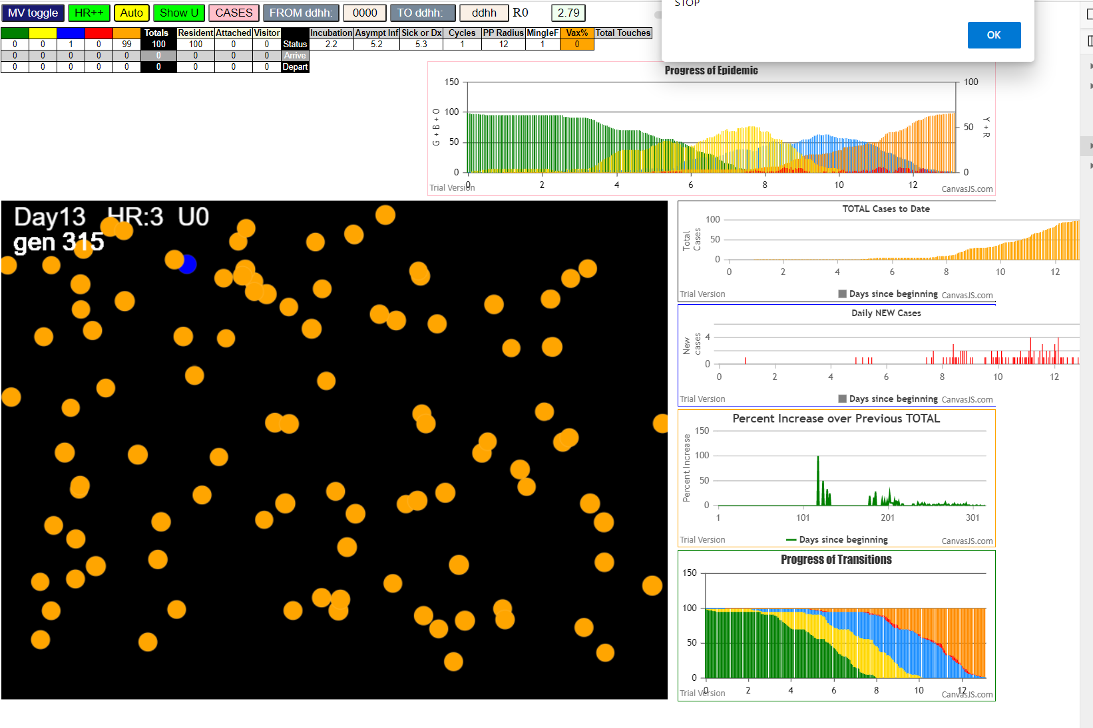

In this one, lasting only 13 days, and 315 generations, the Hazard Radius was set to 12, and the red days set to 0.1.
No vaccination was applied ("Vax = 0")
The contagion is so intense that you see "Yellow" being an infective agent….
This is because we test overlap on everyone, and when one is Green and susceptible and the other has a
viral load that is aove the threshold for the transition (yellow to blue), we make the transmission and log it
but the color change itself does not occur till the next time cycle….

The viral load is dependent on the size (here it is 12) more than on the date, which is an average in the Xi model….so the choice
had to be made to either follow color change by date, or by viral load, and I chose viral load…

simulationRev2Vax.js:833 Thu Jan 07 2021 23:43:01 GMT-0800 (Pacific Standard Time)
simulationRev2Vax.js:834 CovidSIMVL Mode1 and Mod2 Hybrid 35d
simulationRev2Vax.js:835 Mode 1 >13 and <36 is 75%
simulationRev2Vax.js:836 Mode 2 >28 is 95%; >13 and <29 is 75%
simulationRev2Vax.js:4305 exit covidSim
simulationRev2Vax.js:23 getAsText File {name: "HundredAgentsU0mF1.csv", lastModified: 1608077990000, lastModifiedDate: Tue Dec 15 2020 16:19:50 GMT-0800 (Pacific Standard Time), webkitRelativePath: "", size: 2140, …}
simulationRev2Vax.js:32 File {name: "HundredAgentsU0mF1.csv", lastModified: 1608077990000, lastModifiedDate: Tue Dec 15 2020 16:19:50 GMT-0800 (Pacific Standard Time), webkitRelativePath: "", size: 2140, …}
simulationRev2Vax.js:23 getAsText File {name: "VL1.csv", lastModified: 1608081530000, lastModifiedDate: Tue Dec 15 2020 17:18:50 GMT-0800 (Pacific Standard Time), webkitRelativePath: "", size: 65, …}
simulationRev2Vax.js:32 File {name: "VL1.csv", lastModified: 1608081530000, lastModifiedDate: Tue Dec 15 2020 17:18:50 GMT-0800 (Pacific Standard Time), webkitRelativePath: "", size: 65, …}
simulationRev2Vax.js:1622 Red Days changed to 5.3
simulationRev2Vax.js:1644 New Hazard Radius = 12
simulationRev2Vax.js:2140 0I j:famKey 90:-1 infected by green i:famKey 5:-1 at gen 0 in Univ0 prob=0.958
simulationRev2Vax.js:2140 0I j:famKey 56:-1 infected by blue i:famKey 5:-1 at gen 1 in Univ0 prob=0.127
simulationRev2Vax.js:2140 0I j:famKey 66:-1 infected by blue i:famKey 5:-1 at gen 1 in Univ0 prob=0.383
simulationRev2Vax.js:2140 0I j:famKey 86:-1 infected by blue i:famKey 5:-1 at gen 1 in Univ0 prob=0.711
simulationRev2Vax.js:2140 5I j:famKey 15:-1 infected by blue i:famKey 5:-1 at gen 8 in Univ0 prob=0.451
simulationRev2Vax.js:2140 6I j:famKey 28:-1 infected by blue i:famKey 5:-1 at gen 13 in Univ0 prob=0.571
simulationRev2Vax.js:2140 6I j:famKey 72:-1 infected by blue i:famKey 5:-1 at gen 13 in Univ0 prob=0.432
simulationRev2Vax.js:2140 8I j:famKey 14:-1 infected by blue i:famKey 5:-1 at gen 16 in Univ0 prob=0.197
simulationRev2Vax.js:2140 9I j:famKey 33:-1 infected by blue i:famKey 5:-1 at gen 19 in Univ0 prob=0.845
simulationRev2Vax.js:2157 10I i:famKey 55:-1 infected by blue j:famKey 90:-1 at gen 54 in U0 prob=0.337
simulationRev2Vax.js:2140 10I j:famKey 73:-1 infected by blue i:famKey 66:-1 at gen 54 in Univ0 prob=0.810
simulationRev2Vax.js:2140 10I j:famKey 98:-1 infected by blue i:famKey 86:-1 at gen 54 in Univ0 prob=0.343
simulationRev2Vax.js:2157 13I i:famKey 19:-1 infected by blue j:famKey 90:-1 at gen 57 in U0 prob=0.059
simulationRev2Vax.js:2157 14I i:famKey 25:-1 infected by blue j:famKey 86:-1 at gen 60 in U0 prob=0.293
simulationRev2Vax.js:2140 15I j:famKey 32:-1 infected by yellow i:famKey 28:-1 at gen 62 in Univ0 prob=0.628
simulationRev2Vax.js:2157 16I i:famKey 61:-1 infected by blue j:famKey 72:-1 at gen 65 in U0 prob=0.794
simulationRev2Vax.js:2140 17I j:famKey 89:-1 infected by blue i:famKey 14:-1 at gen 67 in Univ0 prob=0.277
simulationRev2Vax.js:2157 18I i:famKey 27:-1 infected by blue j:famKey 66:-1 at gen 71 in U0 prob=0.901
simulationRev2Vax.js:2140 18I j:famKey 84:-1 infected by blue i:famKey 66:-1 at gen 71 in Univ0 prob=0.899
simulationRev2Vax.js:2157 18I i:famKey 23:-1 infected by blue j:famKey 28:-1 at gen 72 in U0 prob=0.973
simulationRev2Vax.js:2157 18I i:famKey 47:-1 infected by blue j:famKey 90:-1 at gen 72 in U0 prob=0.283
simulationRev2Vax.js:2157 20I i:famKey 7:-1 infected by blue j:famKey 90:-1 at gen 73 in U0 prob=0.567
simulationRev2Vax.js:2140 20I j:famKey 51:-1 infected by blue i:famKey 15:-1 at gen 73 in Univ0 prob=0.658
simulationRev2Vax.js:2140 24I j:famKey 80:-1 infected by blue i:famKey 66:-1 at gen 75 in Univ0 prob=0.600
simulationRev2Vax.js:2157 24I i:famKey 53:-1 infected by yellow j:famKey 80:-1 at gen 76 in U0 prob=0.178
simulationRev2Vax.js:2140 25I j:famKey 44:-1 infected by blue i:famKey 14:-1 at gen 77 in Univ0 prob=0.503
simulationRev2Vax.js:2157 25I i:famKey 45:-1 infected by blue j:famKey 86:-1 at gen 77 in U0 prob=0.635
simulationRev2Vax.js:2140 28I j:famKey 64:-1 infected by blue i:famKey 15:-1 at gen 79 in Univ0 prob=0.293
simulationRev2Vax.js:2157 28I i:famKey 37:-1 infected by yellow j:famKey 45:-1 at gen 79 in U0 prob=0.086
simulationRev2Vax.js:2157 28I i:famKey 42:-1 infected by yellow j:famKey 51:-1 at gen 79 in U0 prob=0.798
simulationRev2Vax.js:2157 28I i:famKey 8:-1 infected by yellow j:famKey 45:-1 at gen 80 in U0 prob=0.385
simulationRev2Vax.js:2140 28I j:famKey 22:-1 infected by blue i:famKey 14:-1 at gen 80 in Univ0 prob=0.819
simulationRev2Vax.js:2140 31I j:famKey 91:-1 infected by blue i:famKey 14:-1 at gen 81 in Univ0 prob=0.371
simulationRev2Vax.js:2140 31I j:famKey 21:-1 infected by blue i:famKey 15:-1 at gen 81 in Univ0 prob=0.082
simulationRev2Vax.js:2140 33I j:famKey 67:-1 infected by yellow i:famKey 47:-1 at gen 82 in Univ0 prob=0.970
simulationRev2Vax.js:2140 35I j:famKey 17:-1 infected by blue i:famKey 14:-1 at gen 83 in Univ0 prob=0.316
simulationRev2Vax.js:2140 35I j:famKey 41:-1 infected by blue i:famKey 15:-1 at gen 83 in Univ0 prob=0.923
simulationRev2Vax.js:2157 38I i:famKey 9:-1 infected by blue j:famKey 15:-1 at gen 85 in U0 prob=0.462
simulationRev2Vax.js:2157 38I i:famKey 12:-1 infected by blue j:famKey 15:-1 at gen 85 in U0 prob=0.097
simulationRev2Vax.js:2157 38I i:famKey 65:-1 infected by blue j:famKey 72:-1 at gen 86 in U0 prob=0.142
simulationRev2Vax.js:2157 40I i:famKey 30:-1 infected by blue j:famKey 86:-1 at gen 87 in U0 prob=0.341
simulationRev2Vax.js:2140 40I j:famKey 97:-1 infected by blue i:famKey 56:-1 at gen 87 in Univ0 prob=0.247
simulationRev2Vax.js:2140 41I j:famKey 70:-1 infected by blue i:famKey 14:-1 at gen 88 in Univ0 prob=0.709
simulationRev2Vax.js:2140 41I j:famKey 77:-1 infected by yellow i:famKey 25:-1 at gen 88 in Univ0 prob=0.541
simulationRev2Vax.js:2157 45I i:famKey 1:-1 infected by yellow j:famKey 25:-1 at gen 90 in U0 prob=0.971
simulationRev2Vax.js:2140 45I j:famKey 92:-1 infected by blue i:famKey 15:-1 at gen 90 in Univ0 prob=0.432
simulationRev2Vax.js:2157 45I i:famKey 11:-1 infected by blue j:famKey 86:-1 at gen 91 in U0 prob=0.273
simulationRev2Vax.js:2140 47I j:famKey 40:-1 infected by yellow i:famKey 25:-1 at gen 92 in Univ0 prob=0.721
simulationRev2Vax.js:2140 47I j:famKey 69:-1 infected by yellow i:famKey 25:-1 at gen 92 in Univ0 prob=0.467
simulationRev2Vax.js:2140 47I j:famKey 85:-1 infected by blue i:famKey 28:-1 at gen 92 in Univ0 prob=0.121
simulationRev2Vax.js:2140 48I j:famKey 57:-1 infected by yellow i:famKey 25:-1 at gen 93 in Univ0 prob=0.215
simulationRev2Vax.js:2157 51I i:famKey 52:-1 infected by yellow j:famKey 85:-1 at gen 94 in U0 prob=0.233
simulationRev2Vax.js:2157 53I i:famKey 0:-1 infected by blue j:famKey 72:-1 at gen 97 in U0 prob=0.632
simulationRev2Vax.js:2140 53I j:famKey 50:-1 infected by blue i:famKey 15:-1 at gen 97 in Univ0 prob=0.505
simulationRev2Vax.js:2157 53I i:famKey 2:-1 infected by yellow j:famKey 11:-1 at gen 98 in U0 prob=0.885
simulationRev2Vax.js:2157 53I i:famKey 18:-1 infected by blue j:famKey 86:-1 at gen 98 in U0 prob=0.722
simulationRev2Vax.js:2140 55I j:famKey 46:-1 infected by yellow i:famKey 0:-1 at gen 99 in Univ0 prob=0.540
simulationRev2Vax.js:2140 57I j:famKey 76:-1 infected by yellow i:famKey 53:-1 at gen 100 in Univ0 prob=0.573
simulationRev2Vax.js:2140 59I j:famKey 31:-1 infected by yellow i:famKey 11:-1 at gen 102 in Univ0 prob=0.806
simulationRev2Vax.js:2157 59I i:famKey 31:-1 infected by blue j:famKey 86:-1 at gen 102 in U0 prob=0.799
simulationRev2Vax.js:2140 59I j:famKey 38:-1 infected by blue i:famKey 28:-1 at gen 103 in Univ0 prob=0.523
simulationRev2Vax.js:2140 61I j:famKey 88:-1 infected by blue i:famKey 72:-1 at gen 105 in Univ0 prob=0.411
simulationRev2Vax.js:2140 62I j:famKey 96:-1 infected by yellow i:famKey 8:-1 at gen 107 in Univ0 prob=0.106
simulationRev2Vax.js:2140 62I j:famKey 87:-1 infected by yellow i:famKey 17:-1 at gen 107 in Univ0 prob=0.667
simulationRev2Vax.js:2140 64I j:famKey 58:-1 infected by yellow i:famKey 8:-1 at gen 109 in Univ0 prob=0.002
simulationRev2Vax.js:2140 64I j:famKey 54:-1 infected by yellow i:famKey 17:-1 at gen 109 in Univ0 prob=0.324
simulationRev2Vax.js:2140 64I j:famKey 95:-1 infected by yellow i:famKey 17:-1 at gen 109 in Univ0 prob=0.721
simulationRev2Vax.js:2157 67I i:famKey 10:-1 infected by blue j:famKey 66:-1 at gen 116 in U0 prob=0.317
simulationRev2Vax.js:2140 68I j:famKey 60:-1 infected by blue i:famKey 55:-1 at gen 127 in Univ0 prob=0.257
simulationRev2Vax.js:2157 68I i:famKey 4:-1 infected by blue j:famKey 7:-1 at gen 128 in U0 prob=0.845
simulationRev2Vax.js:2140 68I j:famKey 63:-1 infected by yellow i:famKey 8:-1 at gen 128 in Univ0 prob=0.843
simulationRev2Vax.js:2157 68I i:famKey 26:-1 infected by yellow j:famKey 60:-1 at gen 128 in U0 prob=0.002
simulationRev2Vax.js:2157 68I i:famKey 79:-1 infected by blue j:famKey 80:-1 at gen 128 in U0 prob=0.677
simulationRev2Vax.js:2157 69I i:famKey 6:-1 infected by yellow j:famKey 26:-1 at gen 129 in U0 prob=0.397
simulationRev2Vax.js:2140 74I j:famKey 68:-1 infected by blue i:famKey 8:-1 at gen 131 in Univ0 prob=0.673
simulationRev2Vax.js:2157 75I i:famKey 3:-1 infected by blue j:famKey 91:-1 at gen 133 in U0 prob=0.232
simulationRev2Vax.js:2140 75I j:famKey 78:-1 infected by blue i:famKey 25:-1 at gen 133 in Univ0 prob=0.166
simulationRev2Vax.js:2157 75I i:famKey 62:-1 infected by blue j:famKey 91:-1 at gen 133 in U0 prob=0.918
simulationRev2Vax.js:2140 75I j:famKey 74:-1 infected by blue i:famKey 17:-1 at gen 134 in Univ0 prob=0.843
simulationRev2Vax.js:2157 75I i:famKey 29:-1 infected by blue j:famKey 53:-1 at gen 134 in U0 prob=0.858
simulationRev2Vax.js:2157 75I i:famKey 29:-1 infected by blue j:famKey 73:-1 at gen 134 in U0 prob=0.257
simulationRev2Vax.js:2157 78I i:famKey 24:-1 infected by yellow j:famKey 65:-1 at gen 135 in U0 prob=0.992
simulationRev2Vax.js:2140 81I j:famKey 94:-1 infected by blue i:famKey 22:-1 at gen 141 in Univ0 prob=0.193
simulationRev2Vax.js:2140 81I j:famKey 82:-1 infected by blue i:famKey 25:-1 at gen 141 in Univ0 prob=0.534
simulationRev2Vax.js:2157 83I i:famKey 13:-1 infected by blue j:famKey 25:-1 at gen 143 in U0 prob=0.977
simulationRev2Vax.js:2157 83I i:famKey 39:-1 infected by blue j:famKey 89:-1 at gen 144 in U0 prob=0.500
simulationRev2Vax.js:2140 83I j:famKey 83:-1 infected by blue i:famKey 65:-1 at gen 144 in Univ0 prob=0.660
simulationRev2Vax.js:2140 84I j:famKey 71:-1 infected by blue i:famKey 53:-1 at gen 145 in Univ0 prob=0.920
simulationRev2Vax.js:2157 87I i:famKey 75:-1 infected by blue j:famKey 80:-1 at gen 148 in U0 prob=0.481
simulationRev2Vax.js:2157 87I i:famKey 36:-1 infected by blue j:famKey 44:-1 at gen 149 in U0 prob=0.603
simulationRev2Vax.js:2157 87I i:famKey 49:-1 infected by blue j:famKey 52:-1 at gen 149 in U0 prob=0.001
simulationRev2Vax.js:2140 88I j:famKey 99:-1 infected by blue i:famKey 11:-1 at gen 150 in Univ0 prob=0.122
simulationRev2Vax.js:2157 88I i:famKey 16:-1 infected by blue j:famKey 80:-1 at gen 150 in U0 prob=0.014
simulationRev2Vax.js:2140 92I j:famKey 35:-1 infected by blue i:famKey 8:-1 at gen 154 in Univ0 prob=0.180
simulationRev2Vax.js:2140 92I j:famKey 43:-1 infected by blue i:famKey 8:-1 at gen 155 in Univ0 prob=0.003
simulationRev2Vax.js:2157 92I i:famKey 43:-1 infected by blue j:famKey 91:-1 at gen 155 in U0 prob=0.893
simulationRev2Vax.js:2157 94I i:famKey 81:-1 infected by blue j:famKey 91:-1 at gen 161 in U0 prob=0.338
simulationRev2Vax.js:2140 95I j:famKey 34:-1 infected by yellow i:famKey 3:-1 at gen 163 in Univ0 prob=0.801
simulationRev2Vax.js:2140 95I j:famKey 93:-1 infected by blue i:famKey 91:-1 at gen 164 in Univ0 prob=0.271
simulationRev2Vax.js:2140 97I j:famKey 20:-1 infected by yellow i:famKey 3:-1 at gen 168 in Univ0 prob=0.247
simulationRev2Vax.js:2140 98I j:famKey 59:-1 infected by yellow i:famKey 3:-1 at gen 176 in Univ0 prob=0.612
simulationRev2Vax.js:2157 99I i:famKey 48:-1 infected by blue j:famKey 79:-1 at gen 180 in U0 prob=0.454

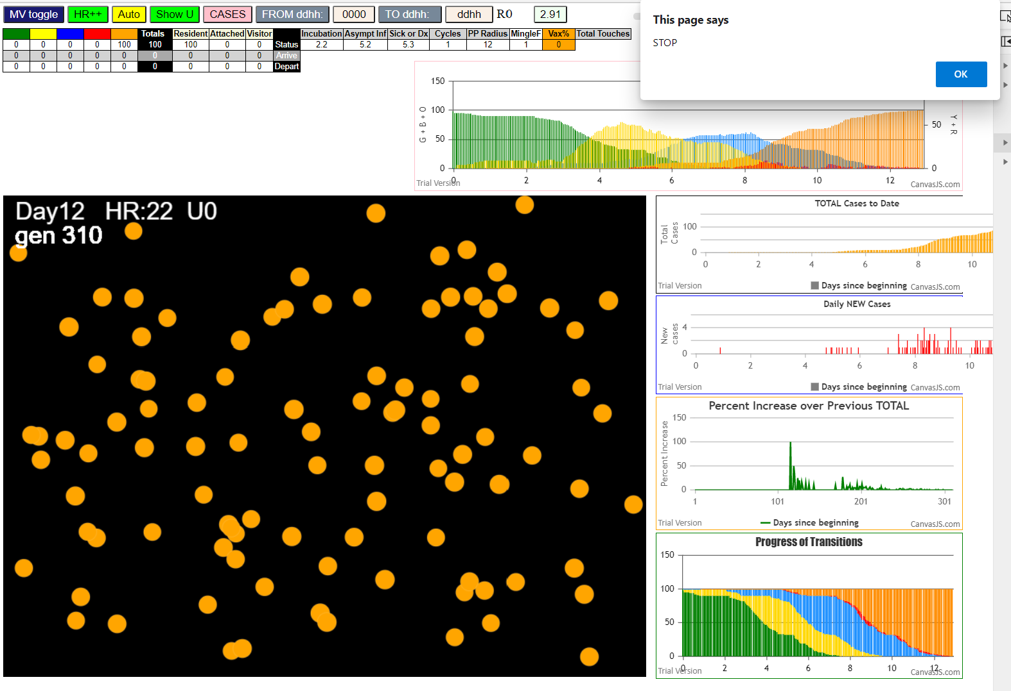

NOW YOU SEE ALL KINDS OF BLUES AN ALMOST NO REDS
NOTE THAT BLUES DO MOST OF THE INFECTION
BUT SOME YELLOWS - SO AGGRESSIVE THAT INCUBATION PERIOD GOES OVER AVERAGE BOUNDARY FOR VIRAL LOAD, SO WILL INFECT!

